Dual Valve
ServiceBox™ Cost Analysis
Dual Valve
Prices/Costs below are estimations * Fill-in YOUR information into shaded cells to determine YOUR savings *
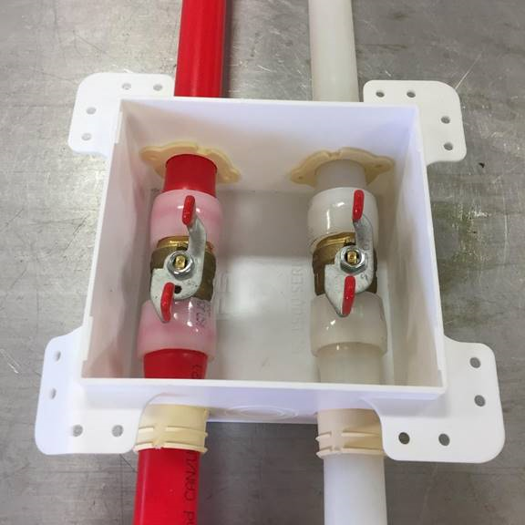 |  |  | 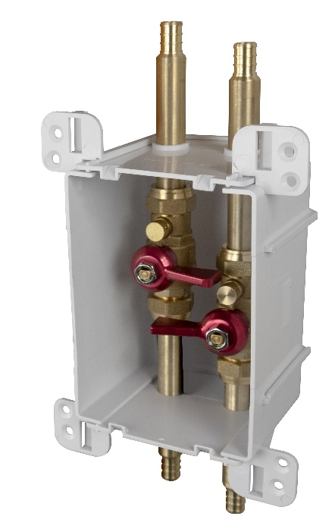
Traditional Installation |  |  | ServiceBox™ Installation
Materials |  | Cost | Materials |  | Cost
Rough-In |  |  | Rough-In
1 | Outlet Box | $5.13 | 1 | ServiceBox™ | $66.17
2 | Standard Port Valve | $35.00 | 4 | Connection Rings | $1.05
4 | Connection Rings | $1.05 | 2 | Screws | $0.29
1 | inlet/outlet supports / Bracket | $6.16
4 | Pipe insulators | $1.00
2 | Foot of PEX (by size service) | $0.90
4 | Screws | $0.57
1 | Debris Cover to protect during Rough | $0.38
Trim Out |  |  | Trim Out
1 | Finish Frame | $1.17 | 1 | 687-1F | $1.17

Labor |  | Minutes | Labor |  | Minutes
Hourly Rate | $40.00 | 0.67
Rough-In |  |  | Rough-In
Gather all parts and tools necessary for complete assembly: Saw, Pex tool, etc |  | 8 | Install box on Stud (the preferred installation) |  | 2
Bracket - If not premanufactured. Find, Measure, cut, install bracket |  | 5 | Connect onto supply |  | 3
Secure box to framing |  | 7 | Pressurize system and check for leaks |  | 4
Grab drill and secure bit. Measure/Mark/drill box and screw onto bracket. |  | 5
Run PEX through Box. If run to box + valve only add time. Likely run in Trunk/Branch Fashion: 4 rings, 2 couplings need to be added. |  | 5
Place Rings. Orient Valve. Make PEX connections in box |  | 3.5
Install Debris Cover to protect finish |  | 2
Pressurize system and check for leaks |  | 4
Trim Out |  |  | Trim Out
Install Finish Frame |  | 0.1 | Install Finish Frame |  | 0.1
Total Minutes: |  | 39.6 | Total Minutes: |  | 9.1

Total Material Cost: |  | $50.36 | Total Material Cost: |  | $68.68

Total Labor Cost: |  | $26.40 | Total Labor Cost: |  | $6.07

Total Cost: |  | $76.76 | Total Cost: |  | $74.74
Total Savings: |  |  |  | $2.02
Other Benefits from using the ServiceBox™
1. Cost Control = Transition from variable labor costs to a fixed cost
2. Planning = Easier material ordering and fixed material cost
3. Handling = Better material management and job flow
4. Aesthetics = Compact design w/ a single beveled frame and cover options. Matches all Ox Box
5. Standardized = Repeatable installations at various valve locations. Same box size, Same box channel
6. Consistent = Pre colored white material. Same look every time. Quality results every time.
7. Secure = Solid box. ABS. STRONG BRACKET. Tank-like.
8. Protection = Recessed valves. Comes standard with debris shield. Keep it and use it on all Ox Products
9. Warranty = Sioux Chief’s Limited Lifetime Warranty. Transition your liability of leak to a warranty
10. No Lead. All-Brass. Full-Port. 600 WOG Valve
11. Material. SCM quality material. DZR and SCC resistant. Highest Quality. 693 shanks. Compare us.
12. SERVICE: valve is union connection. Easy repair, service, replacement.
13. Looks: I mean…..would you just look at it. Calling card looks. Quality looks.
14. Function: Every valve comes with a drain. Forward facing drain.
15. PRV = PRV has service port and drain options. Daisy chain a PRV. Put the service where it needs to go.
16. LEGAL = True Full Port Ball Valve. By Code. Not a Standard Port or reduced Port PEX ball valve.
17. Convenient. Water shutoff is located where it is easy to get to.

