Water Heater - F
ServiceBox™ Cost Analysis
Water Heater Valve Box - Flow Through
Prices/Costs below are estimations * Fill-in YOUR information into shaded cells to determine YOUR savings *
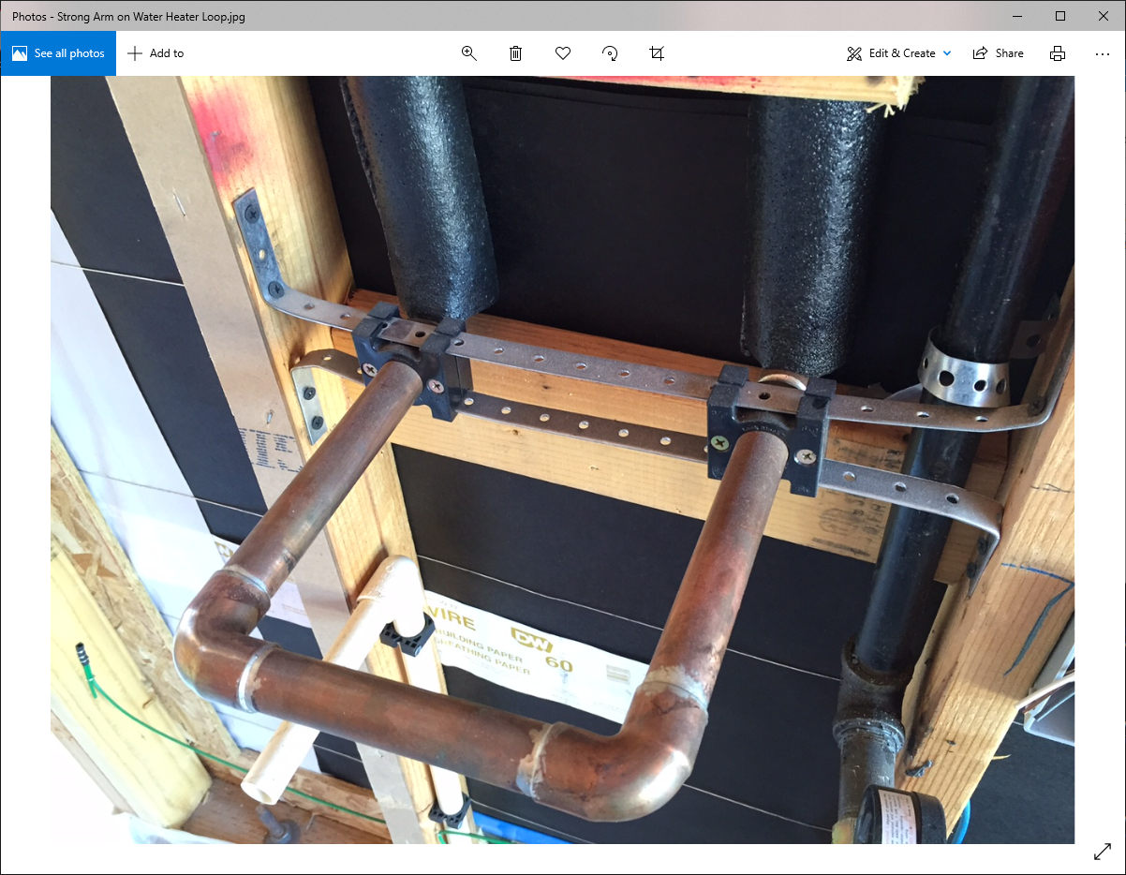 |  |  | 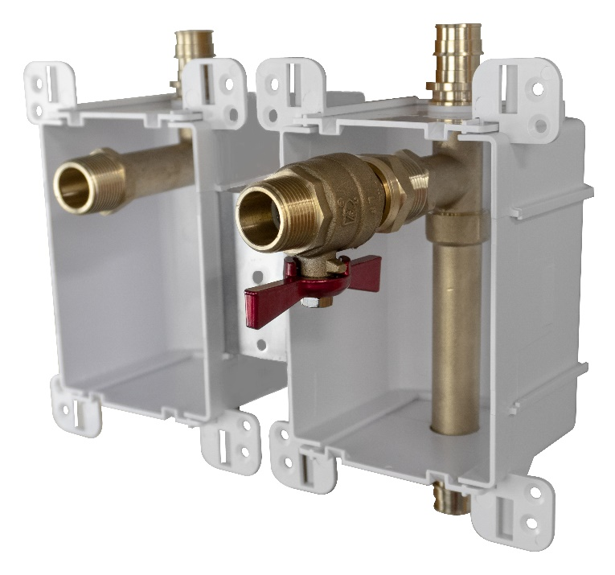
Traditional Installation |  |  | ServiceBox™ Installation
Materials |  | Cost | Materials |  | Cost
Rough-In |  |  | Rough-In
1 | 3/4" F.SWT X F1960 adapters | $9.23 | 1 | ServiceBox™ | $61.56
3 | 3/4" F.SWT X F.SWT Elbows | $10.83 | 3 | Connection Rings | $0.52
1 | 3/4" x 3/4" x 3/4" Tee | $1.50 | 1 | Screw | $0.14
2 | 3/4" M.SWT x F1960 adapter | $9.76
3 | 3/4" L. Coppper Stub out lengths (8" per) | $12.24
2 | 3/4" Connection Rings | $0.78
1 | Manufactured bracket | $6.16
4 | Screws | $0.57
Trim Out |  |  | Trim Out
1 | 3/4" F.SWT X 3/4" MIP Valve | $13.85
1 | 3/4" Copper F.SWT X MIP Adapter | $1.28
2 | 3/4 od shallow escutcheon | $0.49 | 2 | 687-1F | $1.17

Labor |  | Minutes | Labor |  | Minutes
Hourly Rate | $40.00 | 0.67
Rough-In |  |  | Rough-In
Gather all parts and tools necessary for complete assembly: Torch, Tools, Copper, etc |  | 5 | Install box on Stud (the preferred installation) |  | 2
Bracket - If not premanufactured. Find, Measure, cut, install bracket |  | 7 | Connect onto supply |  | 3
Cut / Clean / deburr / sand |  | 10 | Pressurize system and check for leaks |  | 4
Solder and wipe connections |  | 10
Make PEX connections |  | 5
Pressurize system and check for leaks |  | 5
Trim Out |  |  | Trim Out
Cut loop, drop test |  | 10 | Install Finish Frame |  | 0.1
Clean / deburr / sand |  | 10
Install escutcheons, Solder. |  | 10
Pressurize system and check for leaks |  | 5
Total Minutes: |  | 77.0 | Total Minutes: |  | 9.1

Total Material Cost: |  | $66.69 | Total Material Cost: |  | $63.25

Total Labor Cost: |  | $51.33 | Total Labor Cost: |  | $6.07

Total Cost: |  | $118.02 | Total Cost: |  | $69.32
Total Savings: |  |  |  | $48.71
Other Benefits from using the ServiceBox™
1. Cost Control = Transition from variable labor costs to a fixed cost
2. Planning = Easier material ordering and fixed material cost
3. Handling = Better material management and job flow
4. Aesthetics = Compact design w/ a single beveled frame and cover options. Matches all Ox Box
5. Standardized = Repeatable installations at various valve locations. Same box size, Same box channel
6. Consistent = Pre colored white material. Same look every time. Quality results every time.
7. Secure = Solid box. ABS. STRONG BRACKET. Tank-like.
8. Protection = Recessed valves. Comes standard with debris shield. Keep it and use it on all Ox Products
9. Warranty = Sioux Chief’s Limited Lifetime Warranty. Transition your liability of leak to a warranty
10. No Lead. All-Brass. Full-Port. 600 WOG Valve
11. Material. SCM quality material. DZR and SCC resistant. Highest Quality. 693 shanks. Compare us.
12. SERVICE: valve is union connection. Easy repair, service, replacement.
13. Looks: I mean…..would you just look at it. Calling card looks. Quality looks.
14. Function: Every valve comes with a drain. Forward facing drain.
15. PRV = PRV has service port and drain options. Daisy chain a PRV. Put the service where it needs to go.
16. LEGAL = True Full Port Ball Valve. By Code. Not a Standard Port or reduced Port PEX ball valve.
17. Convenient. Water shutoff is located where it is easy to get to.

