Water Softener
ServiceBox™ Cost Analysis
Water Softener
Prices/Costs below are estimations * Fill-in YOUR information into shaded cells to determine YOUR savings *
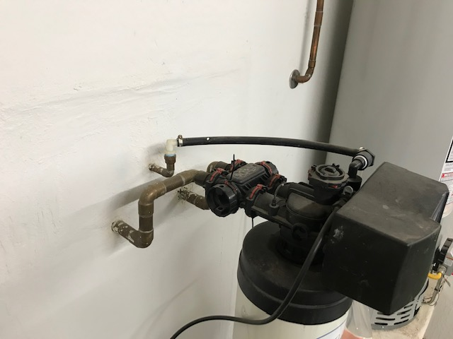 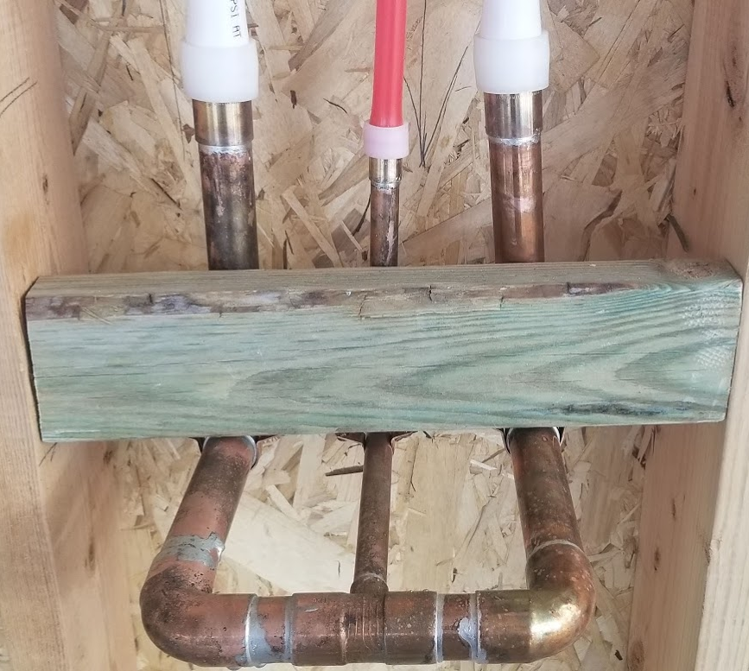 |  |  | 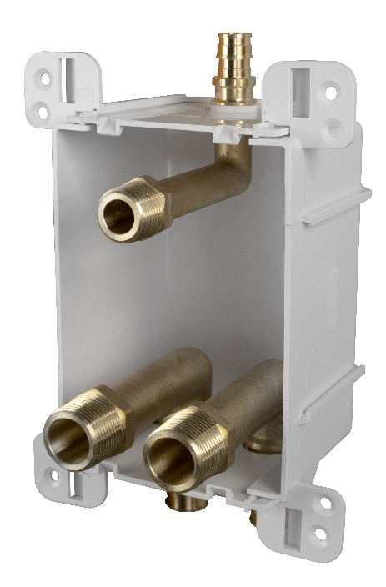
Traditional Installation |  |  | ServiceBox™ Installation
Materials |  | Cost | Materials |  | Cost
Rough-In |  |  | Rough-In
4 | 3/4" Sweat Elbow | $5.36 | 1 | ServiceBox™ | $41.55
1 | 1/2" Sweat Elbow | $0.61 | 2 | Inlet/Outlet Connection Rings | $0.52
1 | 3/4" x 3/4 x 1/2" Tee | $1.38 | 1 | 1/2 connection ring | $0.15
1 | 1/2" Sweat x PEX transition adapter | $2.31 | 2 | Screws | $0.29
2 | 3/4" Sweat x PEX transition adapters | $9.93
1 | 1/2 connection ring | $0.15
2 | Inlet/Outlet Connection Rings | $0.52
2 | 3/4 Copper. Rigid Tubing (foot) | $3.57
2 | 1/2 Type M Copper. Rigid Tubing (foot) | $2.22
1 | Bracketing for stubout pair / brine line | $6.16
Trim Out |  |  | Trim Out
1 | 1/2" F.SWT x FIP (for brine) | $2.19 | 1 | 687-1F | $1.17
1 | 1/2" MIP x Barb (for brine) | $0.87
1 | 1/2 escutcheon | $0.11
2 | 3/4 escutcheons | $0.25
2 | 3/4" PEX x FIP transition fittings for Loop | $4.16

Labor |  | Minutes | Labor |  | Minutes
Hourly Rate | $40.00 | 0.67
Rough-In |  |  | Rough-In
Gather all parts and tools necessary for complete assembly: Saw, Pex tool, etc |  | 8 | Install box on Stud (the preferred installation) |  | 2
Bracket - If not premanufactured. Find, Measure, cut, install bracket |  | 7 | Connect onto supply |  | 5
Cut / Clean / deburr / solder |  | 20 | Pressurize system and check for leaks |  | 4
Make PEX connections |  | 5
Pressurize system and check for leaks |  | 5
Trim Out |  |  | Trim Out
Cut loop and Drop test |  | 4 | Install Finish Frame |  | 0.1
Cut / Clean / deburr / solder |  | 10
Pressurize system and check for leaks |  | 5
Total Minutes: |  | 64.0 | Total Minutes: |  | 11.1

Total Material Cost: |  | $39.79 | Total Material Cost: |  | $43.68

Total Labor Cost: |  | $42.67 | Total Labor Cost: |  | $7.40

Total Cost: |  | $82.46 | Total Cost: |  | $51.07
Total Savings: |  |  |  | $31.38
Other Benefits from using the ServiceBox™
1. Cost Control = Transition from variable labor costs to a fixed cost
2. Planning = Easier material ordering and fixed material cost
3. Handling = Better material management and job flow
4. Aesthetics = Compact design w/ a single beveled frame and cover options. Matches all Ox Box
5. Standardized = Repeatable installations at various valve locations. Same box size, Same box channel
6. Consistent = Pre colored white material. Same look every time. Quality results every time.
7. Secure = Solid box. ABS. STRONG BRACKET. Tank-like.
8. Protection = Recessed valves. Comes standard with debris shield. Keep it and use it on all Ox Products
9. Warranty = Sioux Chief’s Limited Lifetime Warranty. Transition your liability of leak to a warranty
10. No Lead. All-Brass. Full-Port. 600 WOG Valve
11. Material. SCM quality material. DZR and SCC resistant. Highest Quality. 693 shanks. Compare us.
12. SERVICE: valve is union connection. Easy repair, service, replacement.
13. Looks: I mean…..would you just look at it. Calling card looks. Quality looks.
14. Function: Every valve comes with a drain. Forward facing drain.
15. PRV = PRV has service port and drain options. Daisy chain a PRV. Put the service where it needs to go.
16. LEGAL = True Full Port Ball Valve. By Code. Not a Standard Port or reduced Port PEX ball valve.
17. Convenient. Water shutoff is located where it is easy to get to.

