Termination Outlet
ServiceBox™ Cost Analysis
Termination Outlet/Valve
Prices/Costs below are estimations * Fill-in YOUR information into shaded cells to determine YOUR savings *
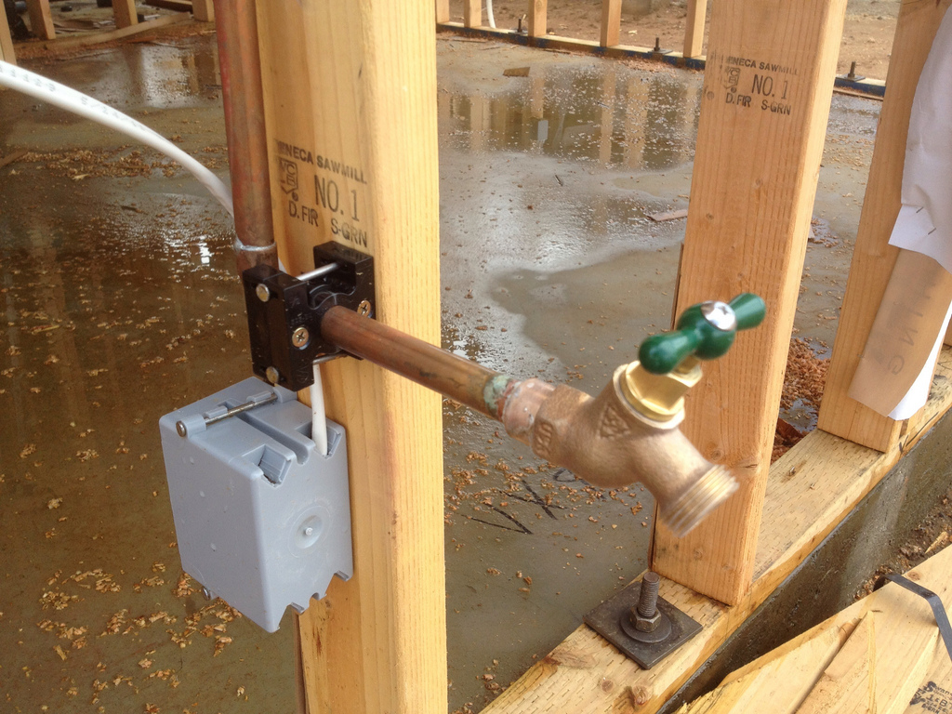 |  |  | 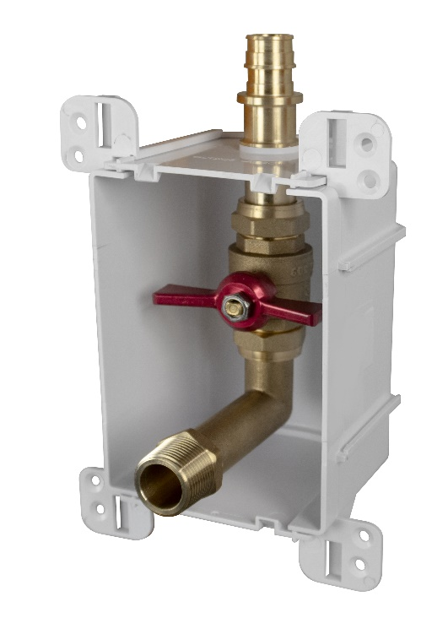
Traditional Installation |  |  | ServiceBox™ Installation
Materials |  | Cost | Materials |  | Cost
Rough-In |  |  | Rough-In
1 | Access Panel - surround, plastic | $10.00 | 1 | ServiceBox™ | $35.40
1 | 3/4" FIPxFIP 1/4-turn Valve (NL) | $8.87 | 1 | Connection Rings | $0.26
2 | 3/4" 90-degree. FIP x MIP elbow | $8.54 | 2 | Screws | $0.29
1 | 3/4" Close coupling | $2.96
1 | 3/4 MIP x PEX adapter | $6.28
4 | Screws for panel to bracket | $0.57
4 | Manufactured bracket | $6.16
1 | Connection Ring | $0.26
Trim Out |  |  | Trim Out
1 | Finish Frame | $1.17 | 1 | 687-1F | $1.17

Labor |  | Minutes | Labor |  | Minutes
Hourly Rate | $40.00 | 0.67
Rough-In |  |  | Rough-In
Gather all parts and tools necessary for complete assembly: Pex tool, wrench, pipe dope, etc |  | 5 | Install box on Stud (the preferred installation) |  | 3
Bracket - If not premanufactured. Find, Measure, cut, install bracket and add to |  | 3 | Connect onto supply |  | 3
Measure/mark/dope/align/assemble Valve |  | 15 | Pressurize system and check for leaks |  | 4
affix assembly to bracket |  | 3
Rough-In Access Panel around opening |  | 5
Place Rings. Orient Valve. Make PEX connections |  | 3
Install Debris Cover to protect finish |  | 2
Pressurize system and check for leaks |  | 4
Trim Out |  |  | Trim Out
Clean assembly, remove debris cover. Finish with Access Frame |  | 2 | Install Finish Frame |  | 0.1
Total Minutes: |  | 42.0 | Total Minutes: |  | 10.1

Total Material Cost: |  | $44.81 | Total Material Cost: |  | $37.11

Total Labor Cost: |  | $28.00 | Total Labor Cost: |  | $6.73

Total Cost: |  | $72.81 | Total Cost: |  | $43.85
Total Savings: |  |  |  | $28.96
Other Benefits from using the ServiceBox™
1. Cost Control = Transition from variable labor costs to a fixed cost
2. Planning = Easier material ordering and fixed material cost
3. Handling = Better material management and job flow
4. Aesthetics = Compact design w/ a single beveled frame and cover options. Matches all Ox Box
5. Standardized = Repeatable installations at various valve locations. Same box size, Same box channel
6. Consistent = Pre colored white material. Same look every time. Quality results every time.
7. Secure = Solid box. ABS. STRONG BRACKET. Tank-like.
8. Protection = Recessed valves. Comes standard with debris shield. Keep it and use it on all Ox Products
9. Warranty = Sioux Chief’s Limited Lifetime Warranty. Transition your liability of leak to a warranty
10. No Lead. All-Brass. Full-Port. 600 WOG Valve
11. Material. SCM quality material. DZR and SCC resistant. Highest Quality. 693 shanks. Compare us.
12. SERVICE: valve is union connection. Easy repair, service, replacement.
13. Looks: I mean…..would you just look at it. Calling card looks. Quality looks.
14. Function: Every valve comes with a drain. Forward facing drain.
15. PRV = PRV has service port and drain options. Daisy chain a PRV. Put the service where it needs to go.
16. LEGAL = True Full Port Ball Valve. By Code. Not a Standard Port or reduced Port PEX ball valve.
17. Convenient. Water shutoff is located where it is easy to get to.

